Jaquint Bingo (2)
I get stuck with the best subs | I'm in the Group of Death | I feed on the hate | This is what I get for being nice
The app screwed me | This course isn't long enough for me | Nobody understands this game…Jaquint understands and that's why he dominates | Biller gets all the breaks
Bug got me | I'm the unluckiest person in the world | Biller worst 'X' handicap of all time | I saved Wolf Cup
Moses screwed me | I'm kind of a big deal | I'm the only guy that gives putts in this league | People's Champ
The first to cover the page (yell HARVEY!) or whoever has the most at end of night wins a prize!!
Nobody understands this game…Jaquint understands and that's why he dominates | Biller gets all the breaks | I’m a giver | For the kids!
Biller worst 'X' handicap of all time | I saved Wolf Cup | Wolf Cup is boring without Jaquint | Some of us have real jobs
I'm the only guy that gives putts in this league | People's Champ | Why does everyone shit down their leg when they're my partner and birdie when not | I get stuck with the best subs
This is what I get for being nice | The handicap gods love me | Do you even understand this game? | The app screwed me
The first to cover the page (yell HARVEY!) or whoever has the most at end of night wins a prize!!
Wolf Cup is boring without Jaquint | Some of us have real jobs | Moses screwed me | I'm kind of a big deal
Why does everyone shit down their leg when they're my partner and birdie when not | I get stuck with the best subs | I'm in the Group of Death | I feed on the hate
Do you even understand this game? | The app screwed me | This course isn't long enough for me | Nobody understands this game…Jaquint understands and that's why he dominates
For the kids! | Bug got me | I'm the unluckiest person in the world | Biller worst 'X' handicap of all time
The first to cover the page (yell HARVEY!) or whoever has the most at end of night wins a prize!!
I'm in the Group of Death | I feed on the hate | This is what I get for being nice | The handicap gods love me
This course isn't long enough for me | Nobody understands this game…Jaquint understands and that's why he dominates | Biller gets all the breaks | I’m a giver
I'm the unluckiest person in the world | Biller worst 'X' handicap of all time | I saved Wolf Cup | Wolf Cup is boring without Jaquint
I'm kind of a big deal | I'm the only guy that gives putts in this league | People's Champ | Why does everyone shit down their leg when they're my partner and birdie when not
The first to cover the page (yell HARVEY!) or whoever has the most at end of night wins a prize!!
Biller gets all the breaks | I’m a giver | For the kids! | Bug got me
I saved Wolf Cup | Wolf Cup is boring without Jaquint | Some of us have real jobs | Moses screwed me
People's Champ | Why does everyone shit down their leg when they're my partner and birdie when not | I get stuck with the best subs | I'm in the Group of Death
The handicap gods love me | Do you even understand this game? | The app screwed me | This course isn't long enough for me
The first to cover the page (yell HARVEY!) or whoever has the most at end of night wins a prize!!
Some of us have real jobs | Moses screwed me | I'm kind of a big deal | I'm the only guy that gives putts in this league
I get stuck with the best subs | I'm in the Group of Death | I feed on the hate | This is what I get for being nice
The app screwed me | This course isn't long enough for me | Nobody understands this game…Jaquint understands and that's why he dominates | Biller gets all the breaks
Bug got me | I'm the unluckiest person in the world | Biller worst 'X' handicap of all time | I saved Wolf Cup
The first to cover the page (yell HARVEY!) or whoever has the most at end of night wins a prize!!
I feed on the hate | This is what I get for being nice | The handicap gods love me | Do you even understand this game?
Nobody understands this game…Jaquint understands and that's why he dominates | Biller gets all the breaks | I’m a giver | For the kids!
Biller worst 'X' handicap of all time | I saved Wolf Cup | Wolf Cup is boring without Jaquint | Some of us have real jobs
I'm the only guy that gives putts in this league | People's Champ | Why does everyone shit down their leg when they're my partner and birdie when not | I get stuck with the best subs
The first to cover the page (yell HARVEY!) or whoever has the most at end of night wins a prize!!
The handicap gods love me | Do you even understand this game? | The app screwed me | This course isn't long enough for me
I’m a giver | For the kids! | Bug got me | I'm the unluckiest person in the world
Wolf Cup is boring without Jaquint | Some of us have real jobs | Moses screwed me | I'm kind of a big deal
Why does everyone shit down their leg when they're my partner and birdie when not | I get stuck with the best subs | I'm in the Group of Death | I feed on the hate
The first to cover the page (yell HARVEY!) or whoever has the most at end of night wins a prize!!
Bug got me | I'm the unluckiest person in the world | Biller worst 'X' handicap of all time | I saved Wolf Cup
Moses screwed me | I'm kind of a big deal | I'm the only guy that gives putts in this league | People's Champ
I'm in the Group of Death | I feed on the hate | This is what I get for being nice | The handicap gods love me
This course isn't long enough for me | Nobody understands this game…Jaquint understands and that's why he dominates | Biller gets all the breaks | I’m a giver
The first to cover the page (yell HARVEY!) or whoever has the most at end of night wins a prize!!
I'm the only guy that gives putts in this league | People's Champ | Why does everyone shit down their leg when they're my partner and birdie when not | I get stuck with the best subs
This is what I get for being nice | The handicap gods love me | Do you even understand this game? | The app screwed me
Biller gets all the breaks | I’m a giver | For the kids! | Bug got me
I saved Wolf Cup | Wolf Cup is boring without Jaquint | Some of us have real jobs | Moses screwed me
The first to cover the page (yell HARVEY!) or whoever has the most at end of night wins a prize!!
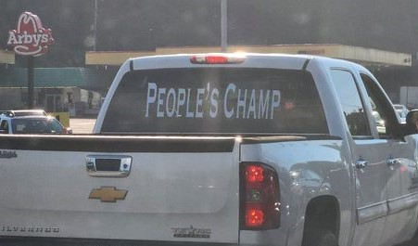
Do you even understand this game? | The app screwed me | This course isn't long enough for me | Nobody understands this game…Jaquint understands and that's why he dominates
For the kids! | Bug got me | I'm the unluckiest person in the world | Biller worst 'X' handicap of all time
Some of us have real jobs | Moses screwed me | I'm kind of a big deal | I'm the only guy that gives putts in this league
I get stuck with the best subs | I'm in the Group of Death | I feed on the hate | This is what I get for being nice
The first to cover the page (yell HARVEY!) or whoever has the most at end of night wins a prize!!
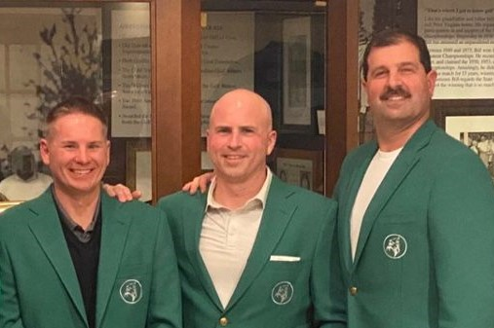
I'm the unluckiest person in the world | Biller worst 'X' handicap of all time | I saved Wolf Cup | Wolf Cup is boring without Jaquint
I'm kind of a big deal | I'm the only guy that gives putts in this league | People's Champ | Why does everyone shit down their leg when they're my partner and birdie when not
I feed on the hate | This is what I get for being nice | The handicap gods love me | Do you even understand this game?
Nobody understands this game…Jaquint understands and that's why he dominates | Biller gets all the breaks | I’m a giver | For the kids!
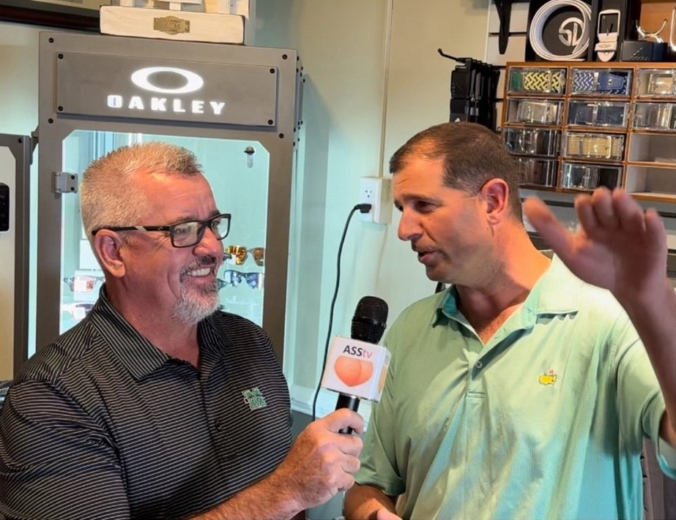
The first to cover the page (yell HARVEY!) or whoever has the most at end of night wins a prize!!
People's Champ | Why does everyone shit down their leg when they're my partner and birdie when not | I get stuck with the best subs | I'm in the Group of Death
The handicap gods love me | Do you even understand this game? | The app screwed me | This course isn't long enough for me
I’m a giver | For the kids! | Bug got me | I'm the unluckiest person in the world
Wolf Cup is boring without Jaquint | Some of us have real jobs | Moses screwed me | I'm kind of a big deal
The first to cover the page (yell HARVEY!) or whoever has the most at end of night wins a prize!!

The app screwed me | This course isn't long enough for me | Nobody understands this game…Jaquint understands and that's why he dominates | Biller gets all the breaks
Bug got me | I'm the unluckiest person in the world | Biller worst 'X' handicap of all time | I saved Wolf Cup
Moses screwed me | I'm kind of a big deal | I'm the only guy that gives putts in this league | People's Champ
I'm in the Group of Death | I feed on the hate | This is what I get for being nice | The handicap gods love me
The first to cover the page (yell HARVEY!) or whoever has the most at end of night wins a prize!!

